Instructions
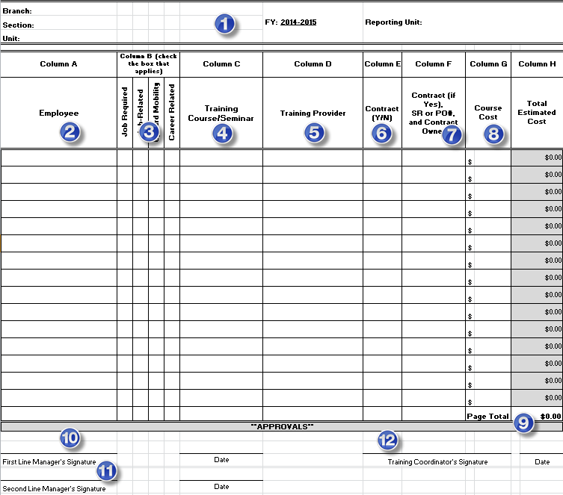
Instructions for Completing the Annual Training Plan Form

The purpose of the Annual Training Plan (ATP) form is for supervisors and managers to list proposed staff training and estimate associated costs.
· Partner with employees to develop annual Individual Development Plans (IDPs); assist employees in defining career goals and encourage employee growth and development.
· The employee's IDP will be used as data for the ATP.
· With the exception of mandatory training, all supervisors must take into account the amount of training requested to determine if it is reasonable and feasible during the fiscal year.
· See Figure 1 below - Complete fields 1 - 9, 10 and 11 of this workbook for each of your Sections/Units.
· The ATP form can be modifed to correspond to your Section or Unit name.
· If Excel worksheet names are customized, ensure that the Summary worksheet name matches with the corresponding Section/Unit names.
 | *Note: Your Section Name (cell A7 on the individual Tabs) is linked to the Summary page Section Name)
· The ATP process continues through the chain-of-command to the Deputy Director for review and signature of the summary worksheet for the Division. The package can be send electronically by the Deputy to training@state.ca.gov - thereby signifying approval.
 | Figure 1. | (Regular size form under ATP Form tabs)

